Plotly
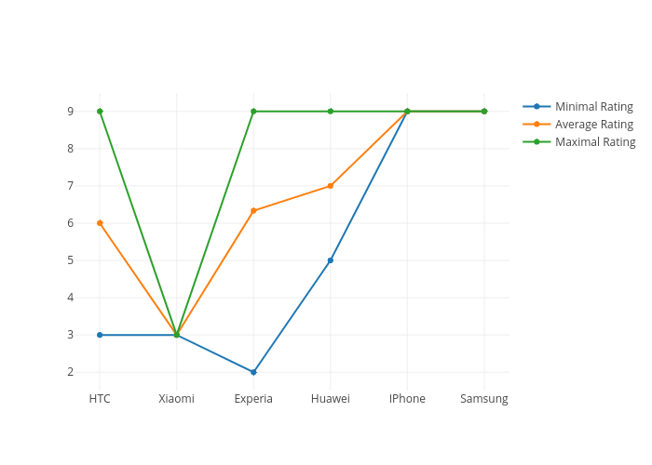
https://plot.ly/~antonAce/6/minimal-rating-average-rating-maximal-rating/

